PPG-Graph
PPG-Data and Harmonic Function
 | F(t)
0 | 170
0.003333333 | 170.41884836
0.006666667 | 170.83751312
0.01 | 171.25581039
0.013333333 | 171.67355682
0.016666667 | 172.09056931
0.02 | 172.50666467
0.023333333 | 172.92166053
0.026666667 | 173.33537498
0.03 | 173.74762629
0.033333333 | 174.15823378
0.036666667 | 174.56701744
0.04 | 174.97379774
0.043333333 | 175.37839637
0.046666667 | 175.78063598
0.05 | 176.18033989
0.053333333 | 176.5773329
0.056666667 | 176.97144099
0.06 | 177.36249105
0.063333333 | 177.75031169
0.066666667 | 178.1347329
0.07 | 178.51558583
0.073333333 | 178.89270355
0.076666667 | 179.26592074
0.08 | 179.63507348
0.083333333 | 179.99999996
0.086666667 | 180.36054022
0.09 | 180.7165359
0.093333333 | 181.06783095
0.096666667 | 181.41427139
0.1 | 181.75570505
0.103333333 | 182.09198226
0.106666667 | 182.42295564
0.11 | 182.74847979
0.113333333 | 183.06841205
0.116666667 | 183.38261216
0.12 | 183.69094212
0.123333333 | 183.99326678
0.126666667 | 184.28945362
0.13 | 184.57937255
0.133333333 | 184.86289648
0.136666667 | 185.13990114
0.14 | 185.41026486
0.143333333 | 185.67386912
0.146666667 | 185.93059839
0.15 | 186.18033989
0.153333333 | 186.42298416
0.156666667 | 186.65842484
0.16 | 186.88655851
0.163333333 | 187.10728518
...
Primary Frequency
w= | 1 | 1/sec
Vertical Shift
h= | 170 | mV

Harmonics' Parameters
H.1 Amplitud & Phase shift
A1= | 20 | mV
c1= | 0
H.2 Amplitud & Phase shift
A2= | 0 | mV
c2= | 0
H.3 Amplitud & Phase shift
A3= | 0 | mV
c3= | 0
H.4 Amplitud & Phase shift
A4= | 0 | mV
c4= | 0
H.5 Amplitud & Phase shift
A5= | 0 | mV
c5= | 0

The Trigonometric Function in My Heart
$$F\left(t\right)=h+A_{1}\sin\left(2πwt+c_{1}\right)+A_{2}sin\left(4πwt+c_{2}\right)+A_{3}\sin\left(6πwt+c_{3}\right)+A_{4}\sin\left(8πwt+c_{4}\right)+A_{5} sin⁡(10πwt+c_{5})$$

$$F\left(t\right)=(type your function here)$$

 |  |  | Student: | {Your Name here} | Date: | (Date here}

Cardiovascular Analysis
PPG-Harmonic Pulse Analysis
0 | 170
0.003333333 | 170.41884836
0.006666667 | 170.83751312
0.01 | 171.25581039
0.013333333 | 171.67355682
0.016666667 | 172.09056931
0.02 | 172.50666467
0.023333333 | 172.92166053
0.026666667 | 173.33537498
0.03 | 173.74762629
0.033333333 | 174.15823378
0.036666667 | 174.56701744
0.04 | 174.97379774
0.043333333 | 175.37839637
0.046666667 | 175.78063598
0.05 | 176.18033989
0.053333333 | 176.5773329
0.056666667 | 176.97144099
0.06 | 177.36249105
0.063333333 | 177.75031169
0.066666667 | 178.1347329
0.07 | 178.51558583
0.073333333 | 178.89270355
0.076666667 | 179.26592074
0.08 | 179.63507348
0.083333333 | 179.99999996
0.086666667 | 180.36054022
0.09 | 180.7165359
0.093333333 | 181.06783095
0.096666667 | 181.41427139
0.1 | 181.75570505
0.103333333 | 182.09198226
0.106666667 | 182.42295564
0.11 | 182.74847979
0.113333333 | 183.06841205
0.116666667 | 183.38261216
0.12 | 183.69094212
0.123333333 | 183.99326678
0.126666667 | 184.28945362
0.13 | 184.57937255
0.133333333 | 184.86289648
0.136666667 | 185.13990114
0.14 | 185.41026486
0.143333333 | 185.67386912
0.146666667 | 185.93059839
0.15 | 186.18033989
0.153333333 | 186.42298416
0.156666667 | 186.65842484
0.16 | 186.88655851
0.163333333 | 187.10728518
...
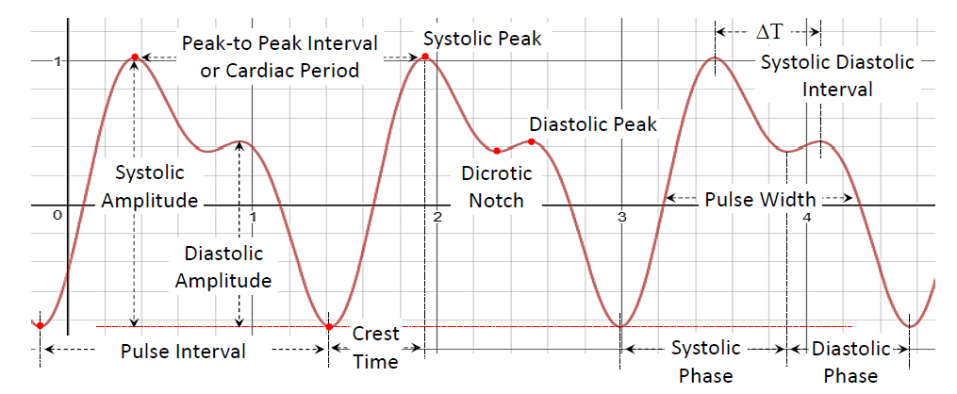

Read from the above graph the requested information. Use the figure at the rigth as a reference.

 | Systolic Amplitude: | mV | Crest Time: | sec |  |  | Pulse Width: | sec

 | Diastolic Amplitude: | mV | Systolic Peak: | sec |  |  | Systolic-Diastolic Interval: | sec

 | Pulse Interval: | sec | Diastolic Peak: | sec |  |  | Systolic Phase: | sec

 | Cardiac Period: | sec | Dicrotic Notch: | sec |  |  | Diastolic Phase: | sec

 |  |  |  |  | Name: | {Your Name here} |  |  | Date: | {Date here}

Cardio Calculus-Analyisis
PPG Harmonic Pulse F(t). Analysis File 0103
0 | 170
0.003333333 | 170.41884836
0.006666667 | 170.83751312
0.01 | 171.25581039
0.013333333 | 171.67355682
0.016666667 | 172.09056931
0.02 | 172.50666467
0.023333333 | 172.92166053
0.026666667 | 173.33537498
0.03 | 173.74762629
0.033333333 | 174.15823378
0.036666667 | 174.56701744
0.04 | 174.97379774
0.043333333 | 175.37839637
0.046666667 | 175.78063598
0.05 | 176.18033989
0.053333333 | 176.5773329
0.056666667 | 176.97144099
0.06 | 177.36249105
0.063333333 | 177.75031169
0.066666667 | 178.1347329
0.07 | 178.51558583
0.073333333 | 178.89270355
0.076666667 | 179.26592074
0.08 | 179.63507348
0.083333333 | 179.99999996
0.086666667 | 180.36054022
0.09 | 180.7165359
0.093333333 | 181.06783095
0.096666667 | 181.41427139
0.1 | 181.75570505
0.103333333 | 182.09198226
0.106666667 | 182.42295564
0.11 | 182.74847979
0.113333333 | 183.06841205
0.116666667 | 183.38261216
0.12 | 183.69094212
0.123333333 | 183.99326678
0.126666667 | 184.28945362
0.13 | 184.57937255
0.133333333 | 184.86289648
0.136666667 | 185.13990114
0.14 | 185.41026486
0.143333333 | 185.67386912
0.146666667 | 185.93059839
0.15 | 186.18033989
0.153333333 | 186.42298416
0.156666667 | 186.65842484
0.16 | 186.88655851
0.163333333 | 187.10728518
...
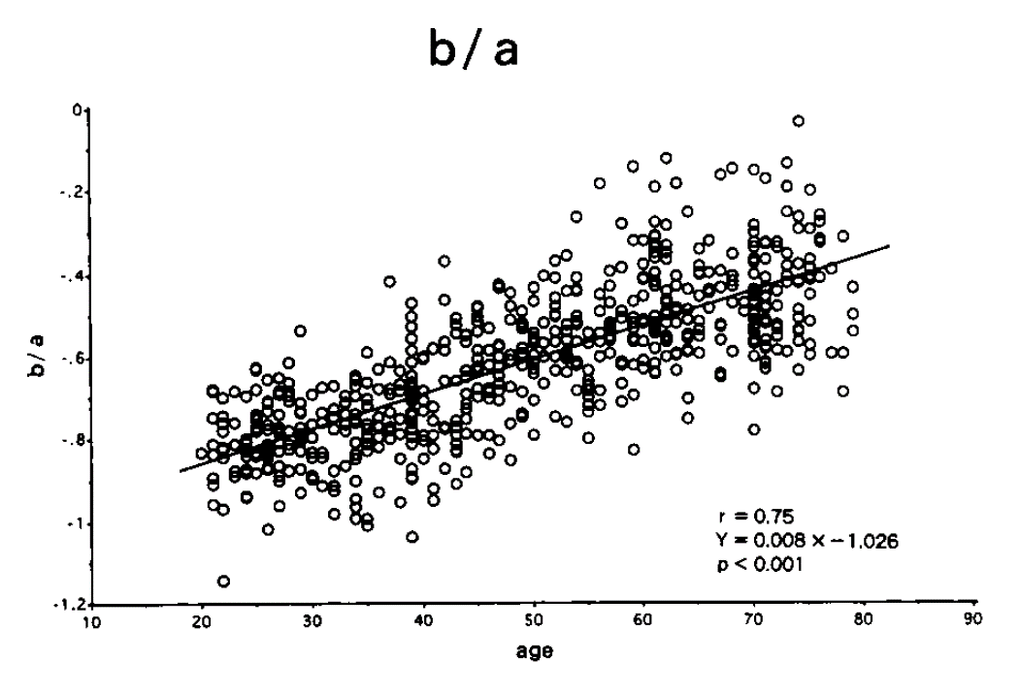

VPG Harmonic Pulse F'(t)
 | F'(t)
0 | 295.66370614
0.003333333 | 295.63614602
0.006666667 | 295.55347771
0.01 | 295.41573752
0.013333333 | 295.22298586
0.016666667 | 294.97530719
0.02 | 294.67281029
0.023333333 | 294.31562778
0.026666667 | 293.90391622
0.03 | 293.43785642
0.033333333 | 292.91765272
0.036666667 | 292.3435331
0.04 | 291.71574974
0.043333333 | 291.03457783
0.046666667 | 290.30031595
0.05 | 289.51328659
0.053333333 | 288.67383477
0.056666667 | 287.78232841
0.06 | 286.8391591
0.063333333 | 285.84474029
0.066666667 | 284.79950783
0.07 | 283.70392083
0.073333333 | 282.55845955
0.076666667 | 281.36362604
0.08 | 280.11994513
0.083333333 | 278.82796199
0.086666667 | 277.4882429
0.09 | 276.10137632
0.093333333 | 274.66797018
0.096666667 | 273.18865277
0.1 | 271.66407385
0.103333333 | 270.09490171
0.106666667 | 268.48182416
0.11 | 266.82554972
0.113333333 | 265.1268044
0.116666667 | 263.38633279
0.12 | 261.60489938
0.123333333 | 259.78328505
0.126666667 | 257.92228823
0.13 | 256.02272636
0.133333333 | 254.08543208
0.136666667 | 252.11125457
0.14 | 250.10106094
0.143333333 | 248.05573234
0.146666667 | 245.9761653
0.15 | 243.86327322
0.153333333 | 241.71798228
0.156666667 | 239.54123281
0.16 | 237.33398091
0.163333333 | 235.09719411
...

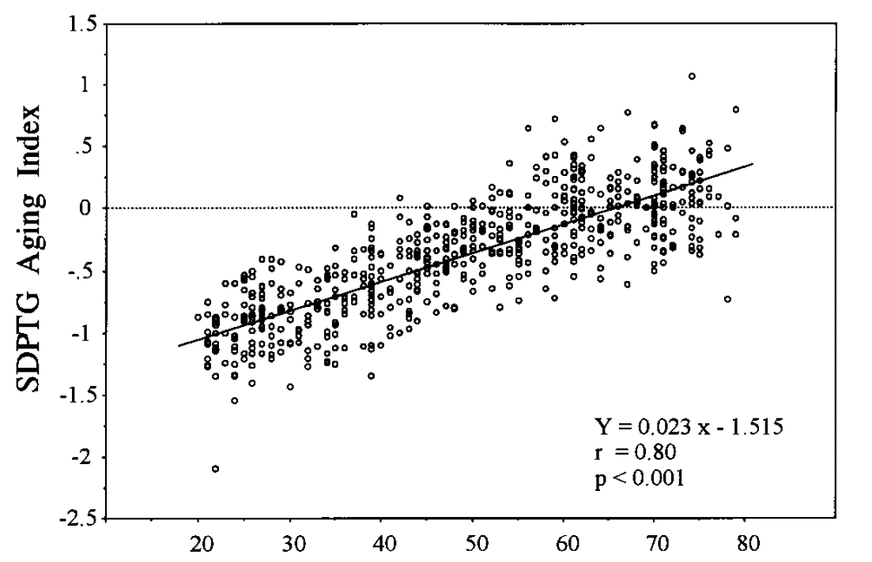

APG Harmonic Pulse F''(t)
 | F''(t)
0 | 170
0.003333333 | 153.4645297
0.006666667 | 136.93630744
0.01 | 120.42259297
0.013333333 | 103.93062478
0.016666667 | 87.467631867
0.02 | 71.040845313
0.023333333 | 54.657465506
0.026666667 | 38.324673845
0.03 | 22.049644231
0.033333333 | 5.8395105189
0.036666667 | -10.298621821
0.04 | -26.357664389
0.043333333 | -42.330578014
0.046666667 | -58.210361197
0.05 | -73.990039016
0.053333333 | -89.66269476
0.056666667 | -105.22145854
0.06 | -120.65949643
0.063333333 | -135.97004148
0.066666667 | -151.14638252
0.07 | -166.18185359
0.073333333 | -181.06986423
0.076666667 | -195.80388844
0.08 | -210.37745457
0.083333333 | -224.78417461
0.086666667 | -239.01773354
0.09 | -253.07187952
0.093333333 | -266.94045222
0.096666667 | -280.61737251
0.1 | -294.09663303
0.103333333 | -307.37232548
0.106666667 | -320.43863057
0.11 | -333.28980917
0.113333333 | -345.92022826
0.116666667 | -358.32435142
0.12 | -370.49673035
0.123333333 | -382.4320296
0.126666667 | -394.12501743
0.13 | -405.57055788
0.133333333 | -416.76363411
0.136666667 | -427.69933971
0.14 | -438.37287136
0.143333333 | -448.77955062
0.146666667 | -458.91481576
0.15 | -468.77421506
0.153333333 | -478.35342693
0.156666667 | -487.64825236
0.16 | -496.65460876
0.163333333 | -505.36854847
...

A.
B.
C
D.
E.
F
G.
Acceleration Plethysmogeam (APG) Waveform Types
A: Good circulation
C: Poor circulation
B: Good circulation but deteriorating
D-G: Distinctively bad circulation
Nomenclature:
PPG: Photo-Plethysmogram
VPG: Velocity Plethysmogram
APG: Acceleration Plethysmogram
O: Systolyc Notch
S: Systolic Main Peak
N: Diacrotic Notch or Diastolic Notch
D: Diastolic Peak or Diacrotic Peak
- Vascular Information from Acceleration Plethysmogram (APG) or PPG Second Derivative
Arterial Stiffness Index:
Vascular Aging Index:
Vascular Age (years):

The Trigonometric Functions in My Heart
Patient's Vascular Information from APG
$$F\left(t\right)=\{write your function here\}$$
 | Arterial Stiffness Index:

$$F^{′\left(t\right)}=\{Write your function here\}$$
 | Vascular Aging Index:

 | Vascular Age: | years
$$F^{′′\left(t\right)}=\{Write your function here\}$$

 |  |  | Student: | {Your Name here} | Date: | {Date here}

